Sheet1
 |  |  | Monthly Administrative Hours Report
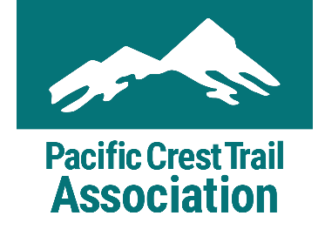 |  |  | This form is for administrative hours only, please do not include trail maintenance hours. Administrative hours associated with a specific trail maintenance project need to be included on the pre/post hours of the associated Project Report Form. Please email report to volunteer@pcta.org at the end of every month.
Name |  |  |  |  | Month/Year

Date | Travel Hours | Admin Hours* | Total Hours | Description of Activity or Task
 |  |  | 0
 |  |  | 0
 |  |  | 0
 |  |  | 0
 |  |  | 0
 |  |  | 0
 |  |  | 0
 |  |  | 0
 |  |  | 0
 |  |  | 0
 |  |  | 0
 |  |  | 0
 |  |  | 0
 |  |  | 0
 |  |  | 0
 |  |  | 0
 |  |  | 0
Total Hours | 0 | 0 | 0
* Administrative Hours include time an agency would pay for an employee to do the necessary work themselves. Administrative hours include, but are not limited to, answering emails, writing letters, and attending meetings.

